Sheet1
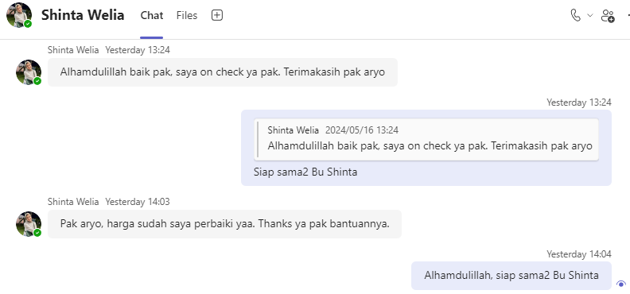
0 | 20240514TUE-001
 | m-438420
 | Mengembalikan aplikasi 0001437/4/10/04/2024 ke Qoutation karna ada perubahan plat. URGENT
 | Shinta Welia
 | Shinta.Welia@dipostar.com

 | Detail Request:
 | Mengembalikan aplikasi 0001437/4/10/04/2024 ke Qoutation karna ada perubahan plat. URGENT

 | Reason for the Request:
 | Perubahan plat dari plat B ke plat BB. Status Approve di Order.

 | Before: | APPLICATION_NO
 | Plat B Jakarta | 0001437/4/10/04/2024

 | After:
 | Plat BB Padang Sidempuan

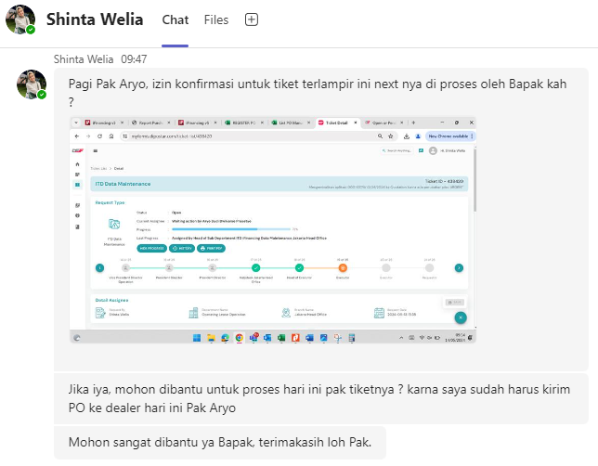

 | APPLICATION_NO
 | 0001437/4/10/04/2024

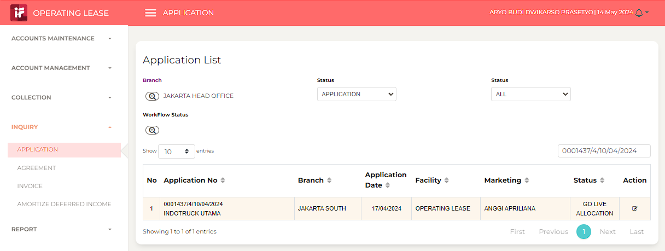

 | 20240515WED

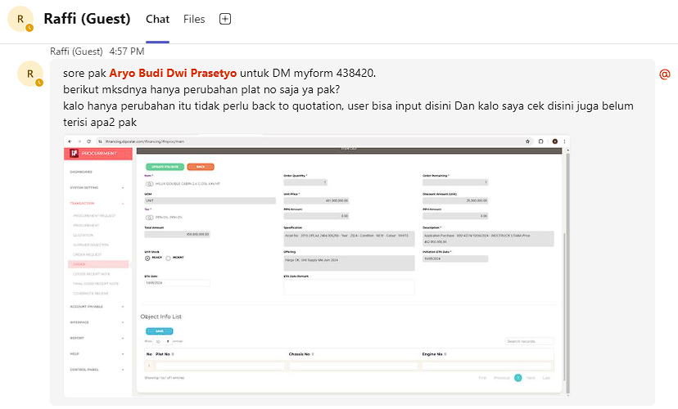

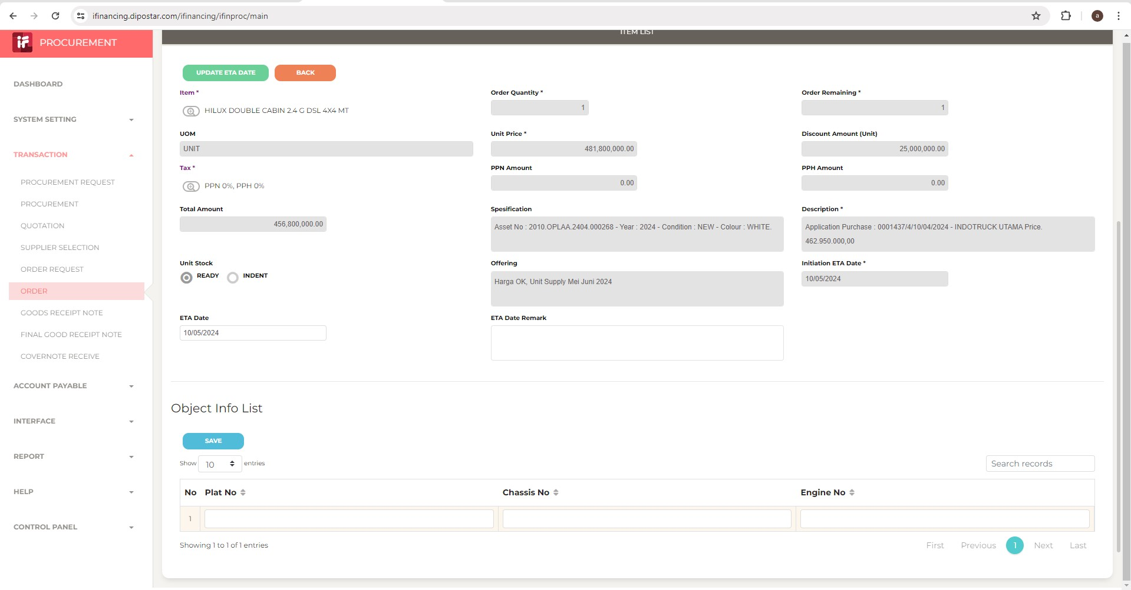

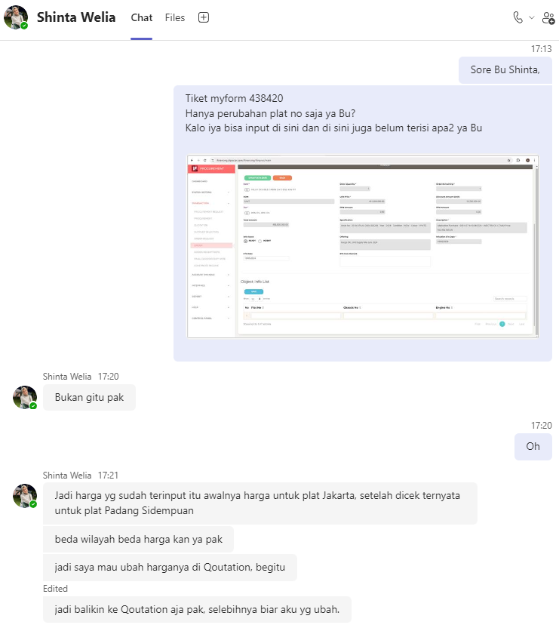

 | 20240516THU

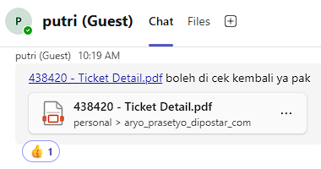

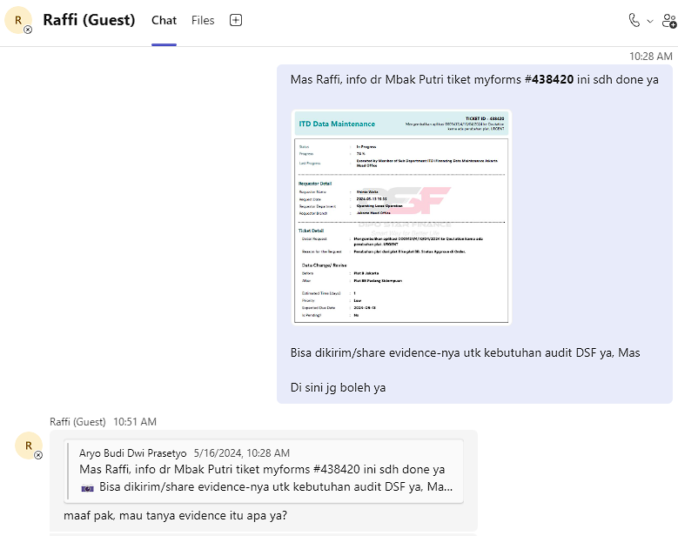

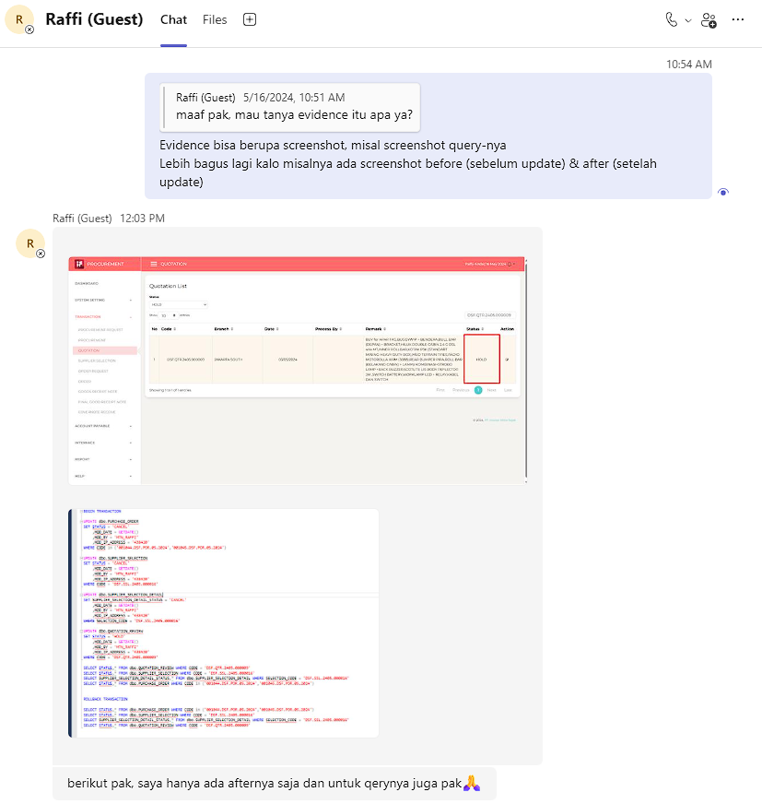

 |  |  | IFINPROC.dbo.PROCUREMENT.REMARK like '%0001437/4/10/04/2024%'
 |  |  | IFINPROC.dbo.QUOTATION_REVIEW_DETAIL.REMARK like '%0001437/4/10/04/2024%'
 |  |  | IFINPROC.dbo.QUOTATION_REVIEW_DETAIL.REFF_NO = IFINPROC.dbo.PROCUREMENT.CODE

 |  |  | IFINPROC.dbo.PURCHASE_ORDER.[STATUS] = 'CANCEL' | CODE
 |  |  | IFINPROC.dbo.SUPPLIER_SELECTION.[STATUS] = 'CANCEL' | CODE
 |  |  | IFINPROC.dbo.SUPPLIER_SELECTION_DETAIL.SUPPLIER_SELECTION_DETAIL_STATUS = 'CANCEL' | SELECTION_CODE
select a.* -- a.[STATUS] = 'CANCEL'
from IFINPROC.dbo.PURCHASE_ORDER a
where a.CODE in ('001044.DSF.POR.05.2024', '001045.DSF.POR.05.2024');
select a.* -- a.[STATUS] = 'CANCEL'
from IFINPROC.dbo.SUPPLIER_SELECTION a
where a.CODE in ('DSF.SSL.2405.000016');
select a.* -- a.SUPPLIER_SELECTION_DETAIL_STATUS = 'CANCEL'
from IFINPROC.dbo.SUPPLIER_SELECTION_DETAIL a
where a.SELECTION_CODE in ('DSF.SSL.2405.000016');
select a.* -- a.[STATUS] = 'HOLD'
from IFINPROC.dbo.QUOTATION_REVIEW a
where a.CODE in ('DSF.QTR.2405.000009');
 |  |  | IFINPROC.dbo.QUOTATION_REVIEW.[STATUS] = 'HOLD' | CODE
 | EVIDENCE

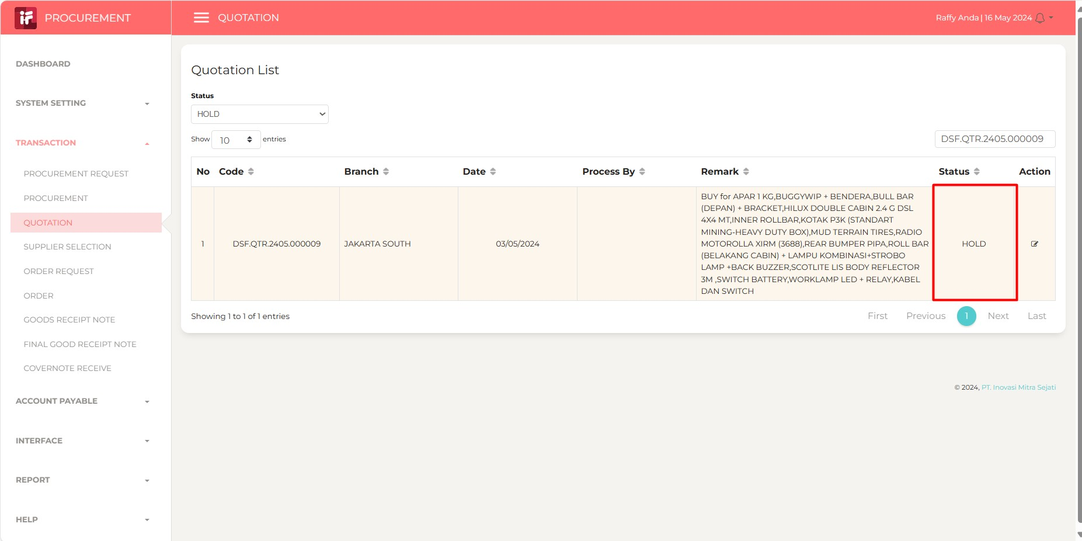
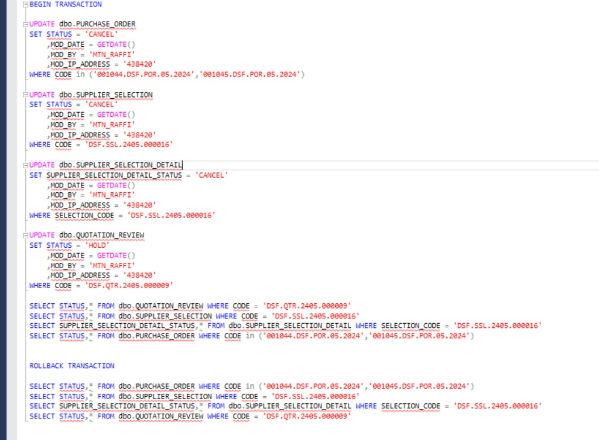

 |  |  |  | select top 3 a.*
 |  |  |  | from IFINPROC.dbo.PURCHASE_ORDER_DETAIL a
 |  |  |  | --where a.[DESCRIPTION] like '%0001461/4/08/04/2024%';
 |  |  |  | where a.[DESCRIPTION] like '%0001437/4/10/04/2024%';

